Sample 4
Iris data set
sepal_length | sepal_width | petal_length | petal_width | species | Hint! Python in Excel creates this pair plot chart using the Seaborn Python library. Select cell G2 and expand the formula bar to see how the Seaborn library is imported and learn how to format formulas to create your own pair plot charts.
5.1 | 3.5 | 1.4 | 0.2 | setosa
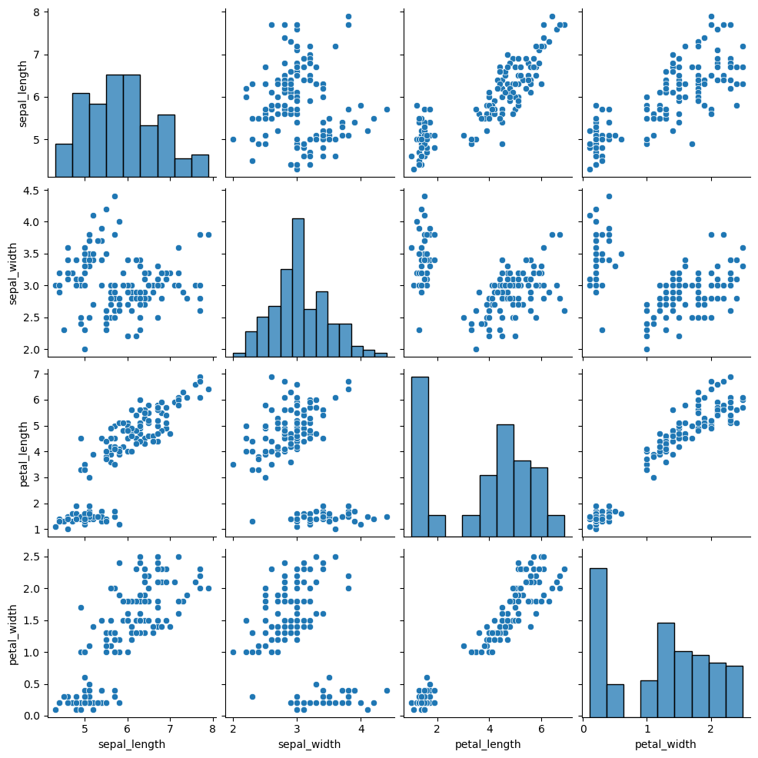
4.9 | 3 | 1.4 | 0.2 | setosa
4.7 | 3.2 | 1.3 | 0.2 | setosa
4.6 | 3.1 | 1.5 | 0.2 | setosa
5 | 3.6 | 1.4 | 0.2 | setosa
5.4 | 3.9 | 1.7 | 0.4 | setosa
4.6 | 3.4 | 1.4 | 0.3 | setosa
5 | 3.4 | 1.5 | 0.2 | setosa
4.4 | 2.9 | 1.4 | 0.2 | setosa
4.9 | 3.1 | 1.5 | 0.1 | setosa
5.4 | 3.7 | 1.5 | 0.2 | setosa
4.8 | 3.4 | 1.6 | 0.2 | setosa
4.8 | 3 | 1.4 | 0.1 | setosa
4.3 | 3 | 1.1 | 0.1 | setosa
5.8 | 4 | 1.2 | 0.2 | setosa
5.7 | 4.4 | 1.5 | 0.4 | setosa
5.4 | 3.9 | 1.3 | 0.4 | setosa
5.1 | 3.5 | 1.4 | 0.3 | setosa
5.7 | 3.8 | 1.7 | 0.3 | setosa
5.1 | 3.8 | 1.5 | 0.3 | setosa
5.4 | 3.4 | 1.7 | 0.2 | setosa
5.1 | 3.7 | 1.5 | 0.4 | setosa
4.6 | 3.6 | 1 | 0.2 | setosa
5.1 | 3.3 | 1.7 | 0.5 | setosa
4.8 | 3.4 | 1.9 | 0.2 | setosa
5 | 3 | 1.6 | 0.2 | setosa
5 | 3.4 | 1.6 | 0.4 | setosa
5.2 | 3.5 | 1.5 | 0.2 | setosa
5.2 | 3.4 | 1.4 | 0.2 | setosa
4.7 | 3.2 | 1.6 | 0.2 | setosa
4.8 | 3.1 | 1.6 | 0.2 | setosa
5.4 | 3.4 | 1.5 | 0.4 | setosa
5.2 | 4.1 | 1.5 | 0.1 | setosa
5.5 | 4.2 | 1.4 | 0.2 | setosa
4.9 | 3.1 | 1.5 | 0.1 | setosa
5 | 3.2 | 1.2 | 0.2 | setosa
5.5 | 3.5 | 1.3 | 0.2 | setosa
4.9 | 3.1 | 1.5 | 0.1 | setosa
4.4 | 3 | 1.3 | 0.2 | setosa
5.1 | 3.4 | 1.5 | 0.2 | setosa
5 | 3.5 | 1.3 | 0.3 | setosa
4.5 | 2.3 | 1.3 | 0.3 | setosa
4.4 | 3.2 | 1.3 | 0.2 | setosa
5 | 3.5 | 1.6 | 0.6 | setosa
5.1 | 3.8 | 1.9 | 0.4 | setosa
4.8 | 3 | 1.4 | 0.3 | setosa
5.1 | 3.8 | 1.6 | 0.2 | setosa
4.6 | 3.2 | 1.4 | 0.2 | setosa
5.3 | 3.7 | 1.5 | 0.2 | setosa
5 | 3.3 | 1.4 | 0.2 | setosa
7 | 3.2 | 4.7 | 1.4 | versicolor
6.4 | 3.2 | 4.5 | 1.5 | versicolor
6.9 | 3.1 | 4.9 | 1.5 | versicolor
5.5 | 2.3 | 4 | 1.3 | versicolor
6.5 | 2.8 | 4.6 | 1.5 | versicolor
5.7 | 2.8 | 4.5 | 1.3 | versicolor
6.3 | 3.3 | 4.7 | 1.6 | versicolor
4.9 | 2.4 | 3.3 | 1 | versicolor
6.6 | 2.9 | 4.6 | 1.3 | versicolor
5.2 | 2.7 | 3.9 | 1.4 | versicolor
5 | 2 | 3.5 | 1 | versicolor
5.9 | 3 | 4.2 | 1.5 | versicolor
6 | 2.2 | 4 | 1 | versicolor
6.1 | 2.9 | 4.7 | 1.4 | versicolor
5.6 | 2.9 | 3.6 | 1.3 | versicolor
6.7 | 3.1 | 4.4 | 1.4 | versicolor
5.6 | 3 | 4.5 | 1.5 | versicolor
5.8 | 2.7 | 4.1 | 1 | versicolor
6.2 | 2.2 | 4.5 | 1.5 | versicolor
5.6 | 2.5 | 3.9 | 1.1 | versicolor
5.9 | 3.2 | 4.8 | 1.8 | versicolor
6.1 | 2.8 | 4 | 1.3 | versicolor
6.3 | 2.5 | 4.9 | 1.5 | versicolor
6.1 | 2.8 | 4.7 | 1.2 | versicolor
6.4 | 2.9 | 4.3 | 1.3 | versicolor
6.6 | 3 | 4.4 | 1.4 | versicolor
6.8 | 2.8 | 4.8 | 1.4 | versicolor
6.7 | 3 | 5 | 1.7 | versicolor
6 | 2.9 | 4.5 | 1.5 | versicolor
5.7 | 2.6 | 3.5 | 1 | versicolor
5.5 | 2.4 | 3.8 | 1.1 | versicolor
5.5 | 2.4 | 3.7 | 1 | versicolor
5.8 | 2.7 | 3.9 | 1.2 | versicolor
6 | 2.7 | 5.1 | 1.6 | versicolor
5.4 | 3 | 4.5 | 1.5 | versicolor
6 | 3.4 | 4.5 | 1.6 | versicolor
6.7 | 3.1 | 4.7 | 1.5 | versicolor
6.3 | 2.3 | 4.4 | 1.3 | versicolor
5.6 | 3 | 4.1 | 1.3 | versicolor
5.5 | 2.5 | 4 | 1.3 | versicolor
5.5 | 2.6 | 4.4 | 1.2 | versicolor
6.1 | 3 | 4.6 | 1.4 | versicolor
5.8 | 2.6 | 4 | 1.2 | versicolor
5 | 2.3 | 3.3 | 1 | versicolor
5.6 | 2.7 | 4.2 | 1.3 | versicolor
5.7 | 3 | 4.2 | 1.2 | versicolor
5.7 | 2.9 | 4.2 | 1.3 | versicolor
6.2 | 2.9 | 4.3 | 1.3 | versicolor
5.1 | 2.5 | 3 | 1.1 | versicolor
5.7 | 2.8 | 4.1 | 1.3 | versicolor
6.3 | 3.3 | 6 | 2.5 | virginica
5.8 | 2.7 | 5.1 | 1.9 | virginica
7.1 | 3 | 5.9 | 2.1 | virginica
6.3 | 2.9 | 5.6 | 1.8 | virginica
6.5 | 3 | 5.8 | 2.2 | virginica
7.6 | 3 | 6.6 | 2.1 | virginica
4.9 | 2.5 | 4.5 | 1.7 | virginica
7.3 | 2.9 | 6.3 | 1.8 | virginica
6.7 | 2.5 | 5.8 | 1.8 | virginica
7.2 | 3.6 | 6.1 | 2.5 | virginica
6.5 | 3.2 | 5.1 | 2 | virginica
6.4 | 2.7 | 5.3 | 1.9 | virginica
6.8 | 3 | 5.5 | 2.1 | virginica
5.7 | 2.5 | 5 | 2 | virginica
5.8 | 2.8 | 5.1 | 2.4 | virginica
6.4 | 3.2 | 5.3 | 2.3 | virginica
6.5 | 3 | 5.5 | 1.8 | virginica
7.7 | 3.8 | 6.7 | 2.2 | virginica
7.7 | 2.6 | 6.9 | 2.3 | virginica
6 | 2.2 | 5 | 1.5 | virginica
6.9 | 3.2 | 5.7 | 2.3 | virginica
5.6 | 2.8 | 4.9 | 2 | virginica
7.7 | 2.8 | 6.7 | 2 | virginica
6.3 | 2.7 | 4.9 | 1.8 | virginica
6.7 | 3.3 | 5.7 | 2.1 | virginica
7.2 | 3.2 | 6 | 1.8 | virginica
6.2 | 2.8 | 4.8 | 1.8 | virginica
6.1 | 3 | 4.9 | 1.8 | virginica
6.4 | 2.8 | 5.6 | 2.1 | virginica
7.2 | 3 | 5.8 | 1.6 | virginica
7.4 | 2.8 | 6.1 | 1.9 | virginica
7.9 | 3.8 | 6.4 | 2 | virginica
6.4 | 2.8 | 5.6 | 2.2 | virginica
6.3 | 2.8 | 5.1 | 1.5 | virginica
6.1 | 2.6 | 5.6 | 1.4 | virginica
7.7 | 3 | 6.1 | 2.3 | virginica
6.3 | 3.4 | 5.6 | 2.4 | virginica
6.4 | 3.1 | 5.5 | 1.8 | virginica
6 | 3 | 4.8 | 1.8 | virginica
6.9 | 3.1 | 5.4 | 2.1 | virginica
6.7 | 3.1 | 5.6 | 2.4 | virginica
6.9 | 3.1 | 5.1 | 2.3 | virginica
5.8 | 2.7 | 5.1 | 1.9 | virginica
6.8 | 3.2 | 5.9 | 2.3 | virginica
6.7 | 3.3 | 5.7 | 2.5 | virginica
6.7 | 3 | 5.2 | 2.3 | virginica
6.3 | 2.5 | 5 | 1.9 | virginica
6.5 | 3 | 5.2 | 2 | virginica
6.2 | 3.4 | 5.4 | 2.3 | virginica
5.9 | 3 | 5.1 | 1.8 | virginica
Data attribution: Fisher,R. A.. (1988). Iris. UCI Machine Learning Repository. https://doi.org/10.24432/C56C76

Sample 5
Iris data set
sepal_length | sepal_width | petal_length | petal_width | species | Hint! Python in Excel creates this linear regression chart using the Seaborn Python library. Select cell G2 and expand the formula bar to see how the Seaborn library is imported and learn how to format formulas to create your own linear regression charts.
5.1 | 3.5 | 1.4 | 0.2 | setosa
4.9 | 3 | 1.4 | 0.2 | setosa
4.7 | 3.2 | 1.3 | 0.2 | setosa
4.6 | 3.1 | 1.5 | 0.2 | setosa
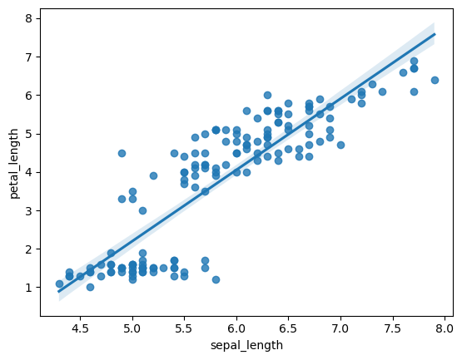
5 | 3.6 | 1.4 | 0.2 | setosa
5.4 | 3.9 | 1.7 | 0.4 | setosa
4.6 | 3.4 | 1.4 | 0.3 | setosa
5 | 3.4 | 1.5 | 0.2 | setosa
4.4 | 2.9 | 1.4 | 0.2 | setosa
4.9 | 3.1 | 1.5 | 0.1 | setosa
5.4 | 3.7 | 1.5 | 0.2 | setosa
4.8 | 3.4 | 1.6 | 0.2 | setosa
4.8 | 3 | 1.4 | 0.1 | setosa
4.3 | 3 | 1.1 | 0.1 | setosa
5.8 | 4 | 1.2 | 0.2 | setosa
5.7 | 4.4 | 1.5 | 0.4 | setosa
5.4 | 3.9 | 1.3 | 0.4 | setosa
5.1 | 3.5 | 1.4 | 0.3 | setosa
5.7 | 3.8 | 1.7 | 0.3 | setosa
5.1 | 3.8 | 1.5 | 0.3 | setosa
5.4 | 3.4 | 1.7 | 0.2 | setosa
5.1 | 3.7 | 1.5 | 0.4 | setosa
4.6 | 3.6 | 1 | 0.2 | setosa
5.1 | 3.3 | 1.7 | 0.5 | setosa
4.8 | 3.4 | 1.9 | 0.2 | setosa
5 | 3 | 1.6 | 0.2 | setosa
5 | 3.4 | 1.6 | 0.4 | setosa
5.2 | 3.5 | 1.5 | 0.2 | setosa
5.2 | 3.4 | 1.4 | 0.2 | setosa
4.7 | 3.2 | 1.6 | 0.2 | setosa
4.8 | 3.1 | 1.6 | 0.2 | setosa
5.4 | 3.4 | 1.5 | 0.4 | setosa
5.2 | 4.1 | 1.5 | 0.1 | setosa
5.5 | 4.2 | 1.4 | 0.2 | setosa
4.9 | 3.1 | 1.5 | 0.1 | setosa
5 | 3.2 | 1.2 | 0.2 | setosa
5.5 | 3.5 | 1.3 | 0.2 | setosa
4.9 | 3.1 | 1.5 | 0.1 | setosa
4.4 | 3 | 1.3 | 0.2 | setosa
5.1 | 3.4 | 1.5 | 0.2 | setosa
5 | 3.5 | 1.3 | 0.3 | setosa
4.5 | 2.3 | 1.3 | 0.3 | setosa
4.4 | 3.2 | 1.3 | 0.2 | setosa
5 | 3.5 | 1.6 | 0.6 | setosa
5.1 | 3.8 | 1.9 | 0.4 | setosa
4.8 | 3 | 1.4 | 0.3 | setosa
5.1 | 3.8 | 1.6 | 0.2 | setosa
4.6 | 3.2 | 1.4 | 0.2 | setosa
5.3 | 3.7 | 1.5 | 0.2 | setosa
5 | 3.3 | 1.4 | 0.2 | setosa
7 | 3.2 | 4.7 | 1.4 | versicolor
6.4 | 3.2 | 4.5 | 1.5 | versicolor
6.9 | 3.1 | 4.9 | 1.5 | versicolor
5.5 | 2.3 | 4 | 1.3 | versicolor
6.5 | 2.8 | 4.6 | 1.5 | versicolor
5.7 | 2.8 | 4.5 | 1.3 | versicolor
6.3 | 3.3 | 4.7 | 1.6 | versicolor
4.9 | 2.4 | 3.3 | 1 | versicolor
6.6 | 2.9 | 4.6 | 1.3 | versicolor
5.2 | 2.7 | 3.9 | 1.4 | versicolor
5 | 2 | 3.5 | 1 | versicolor
5.9 | 3 | 4.2 | 1.5 | versicolor
6 | 2.2 | 4 | 1 | versicolor
6.1 | 2.9 | 4.7 | 1.4 | versicolor
5.6 | 2.9 | 3.6 | 1.3 | versicolor
6.7 | 3.1 | 4.4 | 1.4 | versicolor
5.6 | 3 | 4.5 | 1.5 | versicolor
5.8 | 2.7 | 4.1 | 1 | versicolor
6.2 | 2.2 | 4.5 | 1.5 | versicolor
5.6 | 2.5 | 3.9 | 1.1 | versicolor
5.9 | 3.2 | 4.8 | 1.8 | versicolor
6.1 | 2.8 | 4 | 1.3 | versicolor
6.3 | 2.5 | 4.9 | 1.5 | versicolor
6.1 | 2.8 | 4.7 | 1.2 | versicolor
6.4 | 2.9 | 4.3 | 1.3 | versicolor
6.6 | 3 | 4.4 | 1.4 | versicolor
6.8 | 2.8 | 4.8 | 1.4 | versicolor
6.7 | 3 | 5 | 1.7 | versicolor
6 | 2.9 | 4.5 | 1.5 | versicolor
5.7 | 2.6 | 3.5 | 1 | versicolor
5.5 | 2.4 | 3.8 | 1.1 | versicolor
5.5 | 2.4 | 3.7 | 1 | versicolor
5.8 | 2.7 | 3.9 | 1.2 | versicolor
6 | 2.7 | 5.1 | 1.6 | versicolor
5.4 | 3 | 4.5 | 1.5 | versicolor
6 | 3.4 | 4.5 | 1.6 | versicolor
6.7 | 3.1 | 4.7 | 1.5 | versicolor
6.3 | 2.3 | 4.4 | 1.3 | versicolor
5.6 | 3 | 4.1 | 1.3 | versicolor
5.5 | 2.5 | 4 | 1.3 | versicolor
5.5 | 2.6 | 4.4 | 1.2 | versicolor
6.1 | 3 | 4.6 | 1.4 | versicolor
5.8 | 2.6 | 4 | 1.2 | versicolor
5 | 2.3 | 3.3 | 1 | versicolor
5.6 | 2.7 | 4.2 | 1.3 | versicolor
5.7 | 3 | 4.2 | 1.2 | versicolor
5.7 | 2.9 | 4.2 | 1.3 | versicolor
6.2 | 2.9 | 4.3 | 1.3 | versicolor
5.1 | 2.5 | 3 | 1.1 | versicolor
5.7 | 2.8 | 4.1 | 1.3 | versicolor
6.3 | 3.3 | 6 | 2.5 | virginica
5.8 | 2.7 | 5.1 | 1.9 | virginica
7.1 | 3 | 5.9 | 2.1 | virginica
6.3 | 2.9 | 5.6 | 1.8 | virginica
6.5 | 3 | 5.8 | 2.2 | virginica
7.6 | 3 | 6.6 | 2.1 | virginica
4.9 | 2.5 | 4.5 | 1.7 | virginica
7.3 | 2.9 | 6.3 | 1.8 | virginica
6.7 | 2.5 | 5.8 | 1.8 | virginica
7.2 | 3.6 | 6.1 | 2.5 | virginica
6.5 | 3.2 | 5.1 | 2 | virginica
6.4 | 2.7 | 5.3 | 1.9 | virginica
6.8 | 3 | 5.5 | 2.1 | virginica
5.7 | 2.5 | 5 | 2 | virginica
5.8 | 2.8 | 5.1 | 2.4 | virginica
6.4 | 3.2 | 5.3 | 2.3 | virginica
6.5 | 3 | 5.5 | 1.8 | virginica
7.7 | 3.8 | 6.7 | 2.2 | virginica
7.7 | 2.6 | 6.9 | 2.3 | virginica
6 | 2.2 | 5 | 1.5 | virginica
6.9 | 3.2 | 5.7 | 2.3 | virginica
5.6 | 2.8 | 4.9 | 2 | virginica
7.7 | 2.8 | 6.7 | 2 | virginica
6.3 | 2.7 | 4.9 | 1.8 | virginica
6.7 | 3.3 | 5.7 | 2.1 | virginica
7.2 | 3.2 | 6 | 1.8 | virginica
6.2 | 2.8 | 4.8 | 1.8 | virginica
6.1 | 3 | 4.9 | 1.8 | virginica
6.4 | 2.8 | 5.6 | 2.1 | virginica
7.2 | 3 | 5.8 | 1.6 | virginica
7.4 | 2.8 | 6.1 | 1.9 | virginica
7.9 | 3.8 | 6.4 | 2 | virginica
6.4 | 2.8 | 5.6 | 2.2 | virginica
6.3 | 2.8 | 5.1 | 1.5 | virginica
6.1 | 2.6 | 5.6 | 1.4 | virginica
7.7 | 3 | 6.1 | 2.3 | virginica
6.3 | 3.4 | 5.6 | 2.4 | virginica
6.4 | 3.1 | 5.5 | 1.8 | virginica
6 | 3 | 4.8 | 1.8 | virginica
6.9 | 3.1 | 5.4 | 2.1 | virginica
6.7 | 3.1 | 5.6 | 2.4 | virginica
6.9 | 3.1 | 5.1 | 2.3 | virginica
5.8 | 2.7 | 5.1 | 1.9 | virginica
6.8 | 3.2 | 5.9 | 2.3 | virginica
6.7 | 3.3 | 5.7 | 2.5 | virginica
6.7 | 3 | 5.2 | 2.3 | virginica
6.3 | 2.5 | 5 | 1.9 | virginica
6.5 | 3 | 5.2 | 2 | virginica
6.2 | 3.4 | 5.4 | 2.3 | virginica
5.9 | 3 | 5.1 | 1.8 | virginica
Data attribution: Fisher,R. A.. (1988). Iris. UCI Machine Learning Repository. https://doi.org/10.24432/C56C76

